Tc001_STG_Order2
1] data structure validation

TC001_STG_Order2 data structure validation

 | Source | Target
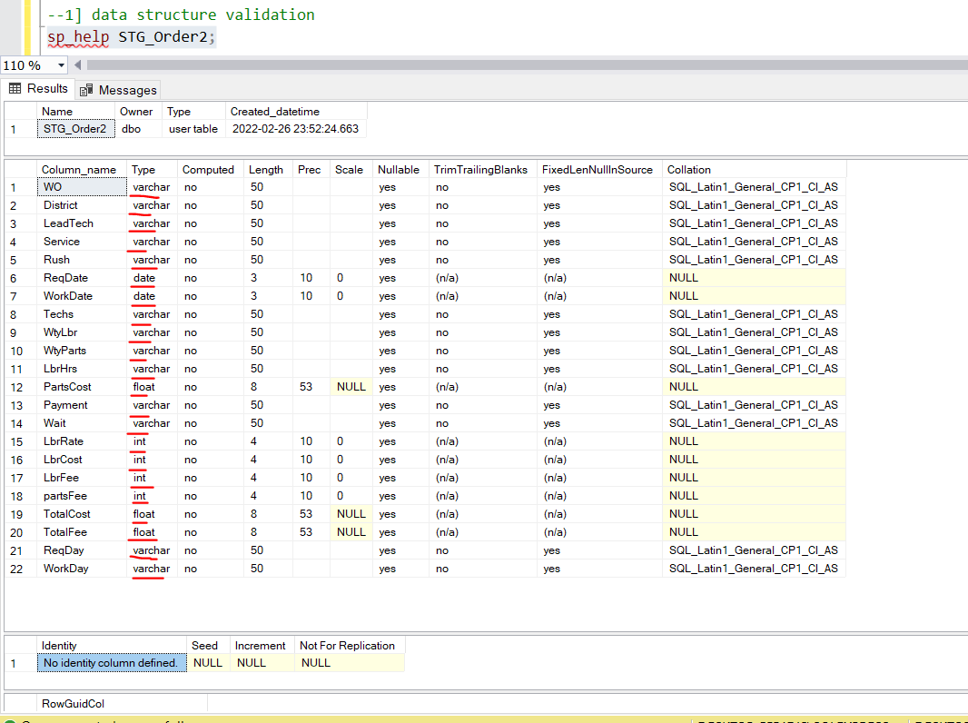
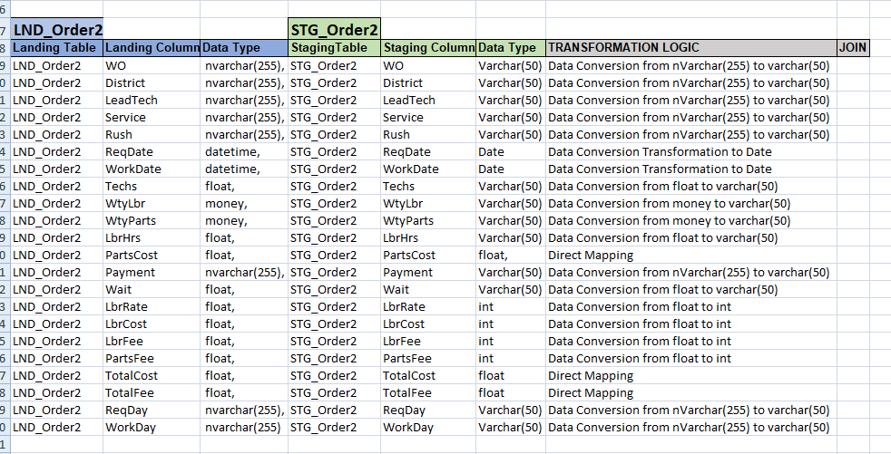

 | Obsevation::source table structure and target table structure exactly same ..

TC002_STG_Order2
2] count validation

Tc002_STG_Order2 count validation

 | source |  | Target

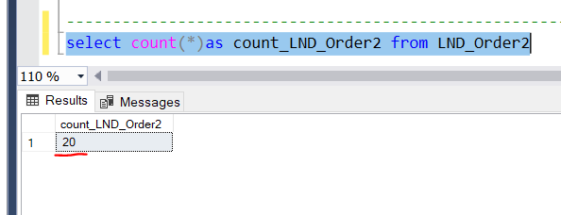
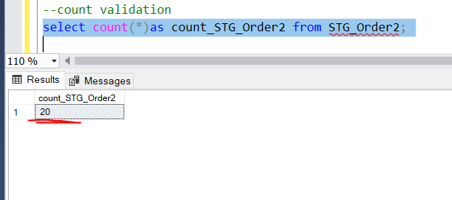

 |  | Observation :: LND_Order2 table count and STG_Order2 table count exactly same .

